Chart09_HistoricalEvolutionOfth
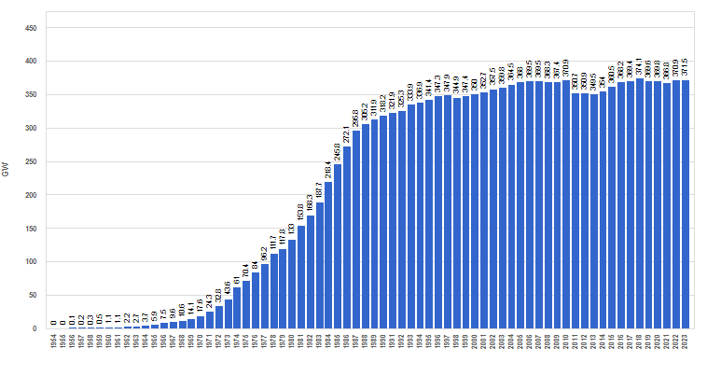
Figure 9. Historical evolution of the worldwide nuclear power (as of 31 Dec. 2023)

